BUSINESS EXPENSE LIST
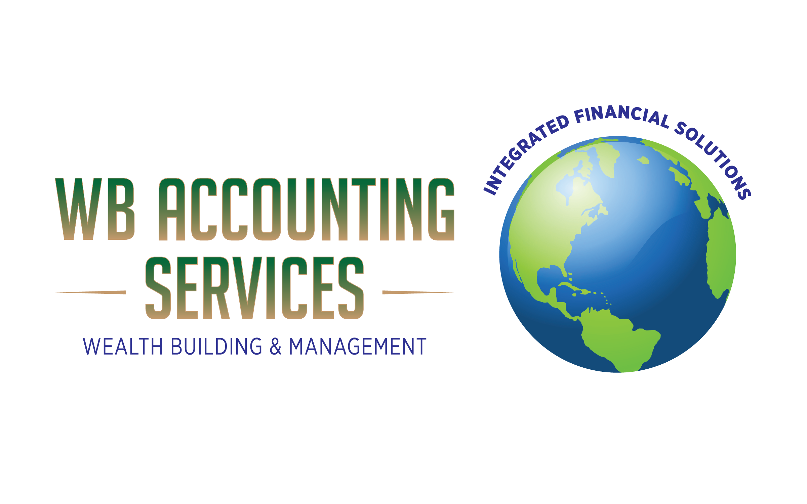
 |  | CLIENT: | PLEASE FILL IN ON THE LINES BELOW
 |  | NAME:
 |  | BUSINESS NAME:
 |  | ADDRESS, CITY, STATE, ZIPCODE:
 |  | PHONE:
 |  | EMAIL:

 |  | VEHICLE INFO: | PLEASE FILL IN ON THE LINES BELOW
 |  | PURCHASE PRICE OF VEHICLE:
 |  | YEAR:
100 S. Ashley Dr. |  | MAKE:
Suite 600 |  | MODEL:
Tampa, FL 33602 |  | TOTAL MILEAGE DRIVEN IN THE YEAR:
727-388-6632 |  | BUSINESS USE MILEAGE - ONLY:
info.wbtaxservice@gmail.com |  | TOTAL MILEAGE DRIVEN IN THE YEAR:
 |  | ANNUAL BUSINESS EXPENSE SHEET

 | AMOUNT | FIXED OR VARIABLE | COMMENTS
CASH
REVENUE | $0.00
OTHER CASH (MAKE NOTE IN COMMENT SECTION)
TOTAL: | $0.00

OPERATING EXPENSES
PAYROLL (WAGES/SALARIES)
CONTRACTORS/VENDORS PAY
OFFICE RENT
UTILITIES
PHONE: CELL / LANDLINE
INTERNET
CABLE
OFFICE SUPPLIES
MARKETING/ADVERTISING
EMPLOYEE'S HEALTH INSURANCE PREMIUM
BUSINESS HEALTH INSURANCE PREMIUM
SUPPLEMENTAL HEALTH INSURANCE (AFLAC, ETC.)
MEDICARE INSURANCE PAYMENT: EMPLOYEE
MEDICARE INSURANCE PAYMENT: EMPLOYER
SOCIAL SECURITY / FICA PAYMENT: EMPLOYEE
SOCIAL SECURITY / FICA PAYMENT: EMPLOYER
RETIREMENT PLAN (401K, 403B, ETC.): EMPLOYER
RETIREMENT PLAN (401K, 403B, ETC.): EMPLOYEE
ROTH IRA'S PAYMENTS (BUSINESS ONLY)
WORKMEN'S COMPENSATION
GENERAL LIABILITY INS.
OTHER INSURANCE
NETWORKING EVENTS
ANNUAL BUSINESS FILING FEE
LICENSE / PERMITS
OTHER (MAKE NOTE IN COMMENT SECTION)
TOTAL: | $0.00

VEHICLE / TRAVEL
VEHICLE PAYMENT
VEHICLE INSURANCE
MAINTENANCE / REPAIRS
FUEL
VEHICLE WASH / CLEAN
VEHICLE SUPPLIES (WIPES, AIR FRESHERS, ETC.)
TRAVEL (FLIGHT & HOTEL)
TRANSPORTATION (RIDE SHARE, TAXI, RENTAL)
PARKING
TOLLS
OTHER (MAKE NOTE IN COMMENT SECTION)
TOTAL: | $0.00

BANKING
BUSINESS RELATED LOAN PAYMENTS
BANK FEES (OVERDRAFT, TRANSACTIONS, ETC.)
MERCHANT FEES (PAYMENT & CREDIT CARD FEES)
OTHER (MAKE NOTE IN COMMENT SECTION)
TOTAL: | $0.00

OFFICE SUPPLIES / PURCHASES
FURNITURE (DESK, CHAIRS, FILING CABINETS, ETC.)
EQUIPMENT
INVENTORY
COMPUTER
PRINTER
SCANNER
OTHER (MAKE NOTE IN COMMENT SECTION)
TOTAL: | $0.00

TAXES
FEDERAL
STATE
SALES TAX
OTHER (MAKE NOTE IN COMMENT SECTION)
TOTAL: | $0.00

PROFESSIONAL FEES
CONTINUING EDUCATION
MEMBERSHIP DUES
MAGAZINE OR INTERNET SUBSCRIPTIONS
TAX PREPARATION FEE
ATTORNEY / LAWYER
BUSINESS OR TAX CONSULATION / MEETINGS
SMALL BUSINESS ARTICLES OF ORGANIZATION FEES (ONE TIME ONLY)
OTHER (MAKE NOTE IN COMMENT SECTION)
TOTAL: | $0.00

MISCELLANOUS EXPENSES
MEALS
CHARITY (MONETARY)
CHARITY (RELIGIOUS TITHES OR OFFERINGS)
CHARITY (GOODWILL, SALVATION ARMY, ETC.)
OTHER (MAKE NOTE IN COMMENT SECTION)
TOTAL: | $0.00

HOME BASE OFFICE EXPENSES
TOTAL SQUARE FOOTAGE OF HOME |  |  | PUT SQUARE FOOTAGE HERE
SQUARE FOOTAGE OF OFFICE SPACE ONLY |  |  | PUT SQUARE FOOTAGE HERE
MORTGAGE OR RENT
UTILITIES
INTERNET
RENTER'S OR HOME OWNER'S INSURANCE
PROPERTY TAXES
MORTGAGE PREMIUM INSURANCE
OFFICE SPACE HOME REPAIRS (ELECTRIC, WATER, A/C- HEATER)
OFFICE SPACE HOME IMPROVEMENTS (PAINTING, FIXTURES)
GROCERIES
OTHER (MAKE NOTE IN COMMENT SECTION)
TOTAL: | $0.00
0

